Example Budget
NJ Child Care Facilities Improvement Program Project Budget

Total Costs | Total Costs
 | Total Improvement Costs Excluding Soft Costs | $56,457.63
 | Total Labor, Materials, & Miscellaneous Contractor Costs | $56,057.63
 | Total Furniture, Fixtures and Equipment (FFE) | $400.00
 | Total Soft Costs | $1,200.00
 | Total Project Costs | $57,657.63
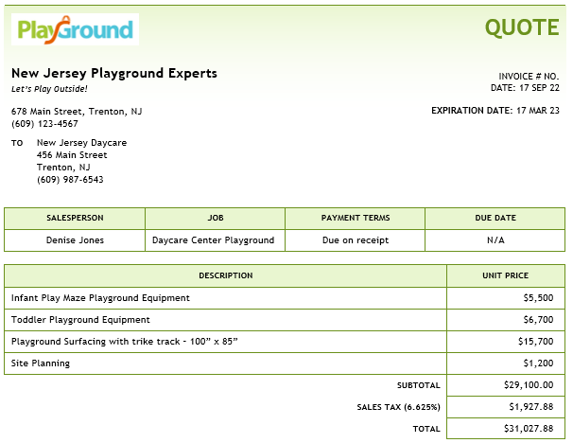
 | Soft Costs as a percentage of Total Costs | 2.08%

Eligible Uses Designation | Eligible Use Description (i.e. Playground Improvement)
Eligible Use | Playground Renovation
 | Classroom Windows
 | Bathroom Renovation

Project Budget
Cost Description | Contractor or Vendor Name | Eligible Use Name (choose from drop down) | Cost Type | Amount
Infant Play Maze Playground Equipment | New Jersey Playground Experts | Playground Renovation | Contractor Materials | $5,500.00
Toddler Playground Equipment | New Jersey Playground Experts | Playground Renovation | Contractor Materials | $6,700.00
Playground Surfacing with trike track - 100" x 85" | New Jersey Playground Experts | Playground Renovation | Contractor Labor & Materials | $15,700.00
Site Planning | New Jersey Playground Experts | Playground Renovation | Soft Costs | $1,200.00
Sales Tax (New Jersey Playground Experts Quote) | New Jersey Playground Experts | Playground Renovation | Miscellaneous Contractor Costs | $1,927.88
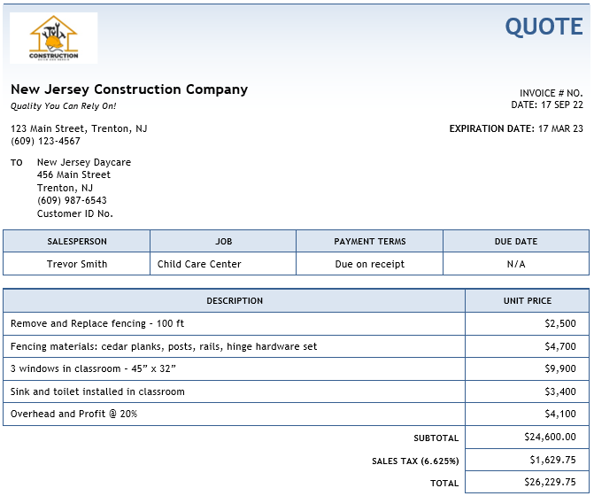
Remove and Replace fencing - 100 feet | New Jersey Construction Company | Playground Renovation | Contractor Labor | $2,500.00
Fencing materials: cedar planks, posts, rails, hinge hardware set | New Jersey Construction Company | Playground Renovation | Contractor Materials | $4,700.00
3 Windows installed in classroom - 45" x 32" | New Jersey Construction Company | Classroom Windows | Contractor Labor & Materials | $9,900.00
Sink and toilet installed in classroom | New Jersey Construction Company | Bathroom Renovation | Contractor Labor & Materials | $3,400.00
Contractor total overhead and profit @ 20% | New Jersey Construction Company | Bathroom Renovation | Miscellaneous Contractor Costs | $4,100.00
Sales Tax (New Jersey Construction Company Quote) | New Jersey Construction Company | Bathroom Renovation | Miscellaneous Contractor Costs | $1,629.75
Freestanding Sand Box | Garden State Backyard Supplies | Playground Renovation | FFE | $400.00

